Base
Base - Accuracy
Colonne1 | Train Accuracy | Validation Accuracy
0 | 0.57210344076 | 0.78022778034
1 | 0.80952090025 | 0.85219287872
2 | 0.87686997652 | 0.86212748289
3 | 0.92441403866 | 0.86891204119
4 | 0.95251649618 | 0.89508116245
5 | 0.96620434523 | 0.89241582155
6 | 0.97092849016 | 0.87860429287
7 | 0.97425955534 | 0.89944267273
8 | 0.97686392069 | 0.8916888833
9 | 0.98716008663 | 0.87739276886
10 | 0.98431348801 | 0.88296586275
11 | 0.98298102617 | 0.89871579409
12 | 0.98679667711 | 0.86527746916
13 | 0.98534309864 | 0.89435422421
14 | 0.99139964581 | 0.86576205492
15 | 0.98007386923 | 0.88950812817
16 | 0.99327719212 | 0.88175427914
17 | 0.99103629589 | 0.90089654922
18 | 0.98946160078 | 0.88126969337
19 | 0.99485188723 | 0.89726191759
20 | 0.98455572128 | 0.86818510294
21 | 0.992610991 | 0.88660043478
22 | 0.99248987436 | 0.87811970711
Base - Loss
23 | 0.98794740438 | 0.85267746449
24 | 0.99618434906 | 0.88466197252
25 | 0.99091511965 | 0.88514661789
26 | 0.99152082205 | 0.84565061331
27 | 0.99091511965 | 0.87472742796
28 | 0.99188417196 | 0.85873514414
29 | 0.99043059349 | 0.88151198626

Step | Train Loss | Validation Loss
0 | 1.331174016 | 0.68423235416
1 | 0.5801679492 | 0.45447176695
2 | 0.36645177007 | 0.44074347615
3 | 0.22814165056 | 0.44026276469
4 | 0.14999653399 | 0.36288890243
5 | 0.098651401699 | 0.41691964865
6 | 0.086776964366 | 0.51002937555
7 | 0.078972168267 | 0.42688053846
8 | 0.066118180752 | 0.47729024291
9 | 0.039958618581 | 0.6273368001
10 | 0.047392930835 | 0.50044488907
11 | 0.050171583891 | 0.56084537506
12 | 0.042326971889 | 0.6925060153
13 | 0.044269803911 | 0.53952550888
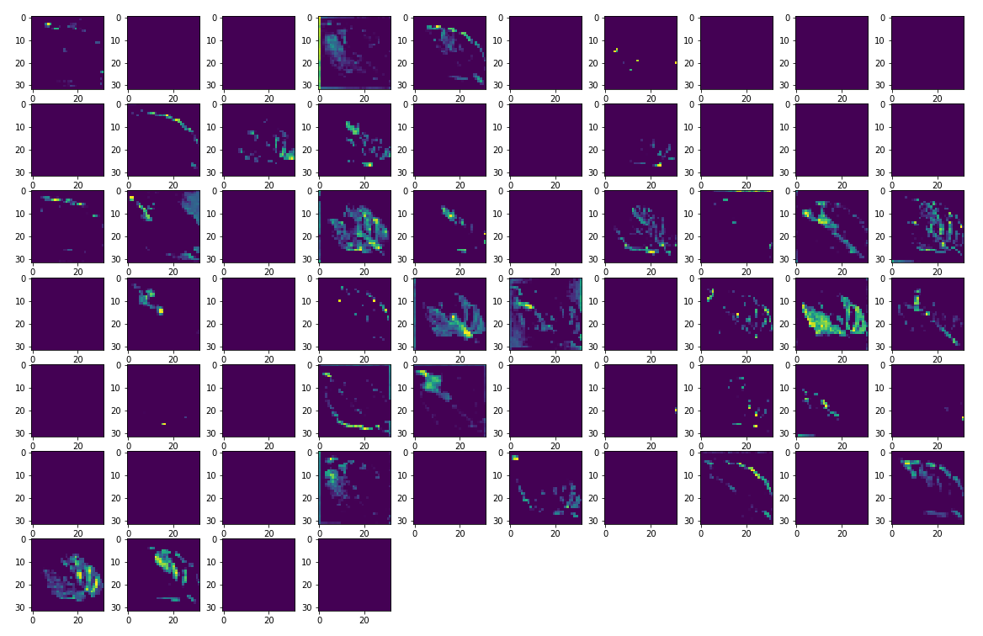
14 | 0.02442773059 | 0.71436142921
15 | 0.062834657729 | 0.52217078209
16 | 0.023705227301 | 0.6085074544
17 | 0.02937938273 | 0.60053032637
18 | 0.033003680408 | 0.67956316471
19 | 0.015601345338 | 0.56975853443
20 | 0.047302681953 | 0.67262399197
21 | 0.024098666385 | 0.76212656498
22 | 0.023482743651 | 0.76060515642
23 | 0.036959387362 | 0.91034930944
24 | 0.013164203614 | 0.65827769041
25 | 0.031306114048 | 0.73279440403
26 | 0.026959924027 | 0.94475823641
27 | 0.028762156144 | 0.71709829569
28 | 0.028770145029 | 1.003046155
29 | 0.028789667413 | 0.76422953606

DataAug
Augmentation artificielle du jeu de données - Accuracy
Step | Train Accuracy | Validation Accuracy
0 | 0.54927021265 | 0.64453595877
1 | 0.76579248905 | 0.62490916252
2 | 0.82411724329 | 0.71238189936
3 | 0.85373389721 | 0.84928518534
4 | 0.87468957901 | 0.77198934555
5 | 0.88825631142 | 0.86164283752
6 | 0.898673594 | 0.8376544714
7 | 0.90727394819 | 0.85340440273
8 | 0.91781234741 | 0.879573524
9 | 0.9202349782 | 0.88660043478
10 | 0.9282296896 | 0.84371215105
11 | 0.93053114414 | 0.84104675055
12 | 0.93622434139 | 0.87133508921
13 | 0.93979769945 | 0.91349649429
14 | 0.93973714113 | 0.91180032492
15 | 0.94458240271 | 0.8524351716
16 | 0.94773179293 | 0.9147080183
17 | 0.95033615828 | 0.92609643936
18 | 0.95269823074 | 0.91398108006
19 | 0.95142632723 | 0.85970437527
Augmentation artificielle du jeu de données - Loss
20 | 0.95045727491 | 0.92803490162
21 | 0.95536309481 | 0.90283501148
22 | 0.95869421959 | 0.93336564302
23 | 0.96093511581 | 0.90768110752
24 | 0.96196472645 | 0.92706567049
25 | 0.95960271358 | 0.91083109379
26 | 0.96196472645 | 0.93094259501
27 | 0.96378171444 | 0.88296586275
28 | 0.96039003134 | 0.85994666815
29 | 0.9642662406 | 0.91616183519

Step | Train Loss | Validation Loss
0 | 1.3818298578 | 1.0779610872
1 | 0.6883225441 | 1.481875062
2 | 0.52638930082 | 0.98889368773
3 | 0.43461698294 | 0.42958024144
4 | 0.36735108495 | 0.82163965702
5 | 0.33007073402 | 0.41940408945
6 | 0.29941189289 | 0.51135927439
7 | 0.27537935972 | 0.46769249439
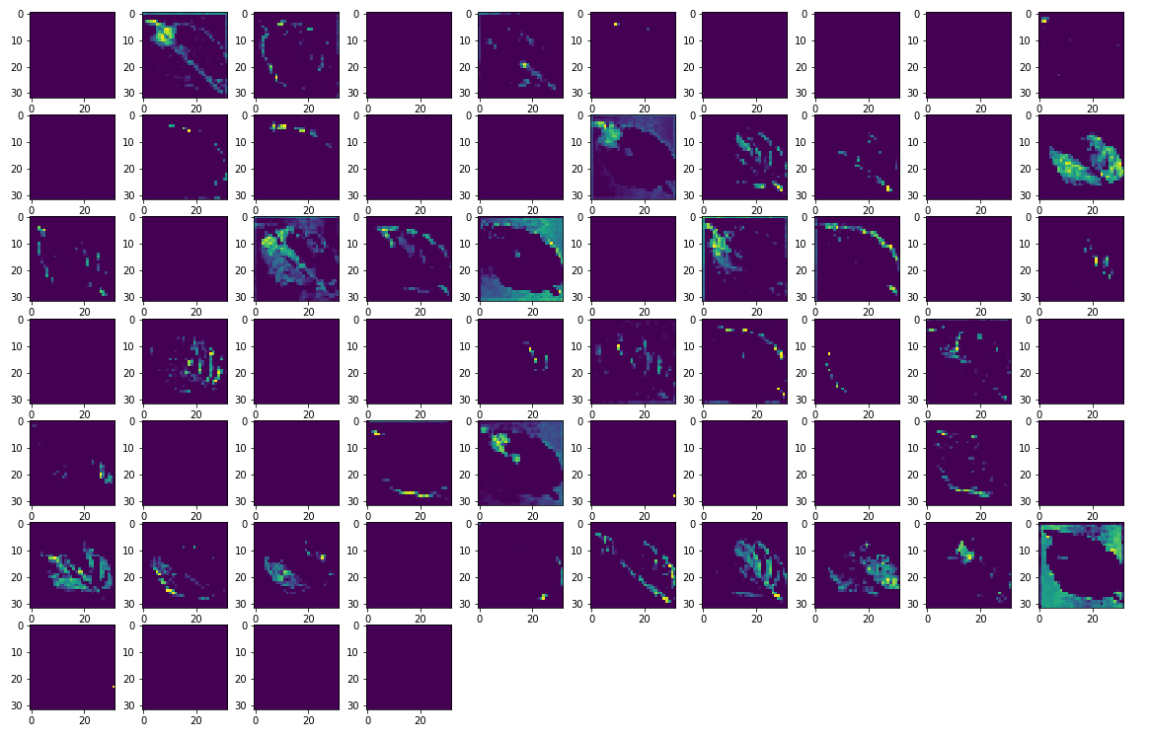
8 | 0.24343140423 | 0.40703245997
9 | 0.23461787403 | 0.36412358284
10 | 0.20990334451 | 0.49545907974
11 | 0.19911167026 | 0.57060652971
12 | 0.188217327 | 0.44824892282
13 | 0.17475511134 | 0.27909255028
14 | 0.17304642498 | 0.29240784049
15 | 0.16634738445 | 0.5223326683
16 | 0.15626904368 | 0.2894449532
17 | 0.14679040015 | 0.23039658368
18 | 0.13834893703 | 0.30731195211
19 | 0.14284971356 | 0.53721058369
20 | 0.14380820096 | 0.22489134967
21 | 0.12875428796 | 0.32742026448
22 | 0.11996668577 | 0.21996366978
23 | 0.12147846073 | 0.33023643494
24 | 0.11055511236 | 0.2397787869
25 | 0.11565274 | 0.31432616711
26 | 0.11074703932 | 0.23608000576
27 | 0.10340826958 | 0.49673387408
28 | 0.12273843586 | 0.60083699226
29 | 0.10924060643 | 0.32408675551

Base3
Base - Essai 2 - Accuracy
Step | Train Accuracy | Validation Accuracy
0 | 0.58742654324 | 0.81608915329
1 | 0.84010660648 | 0.84904289246
2 | 0.91569256783 | 0.86770051718
3 | 0.94621765614 | 0.8633390069
4 | 0.96644663811 | 0.87327355146
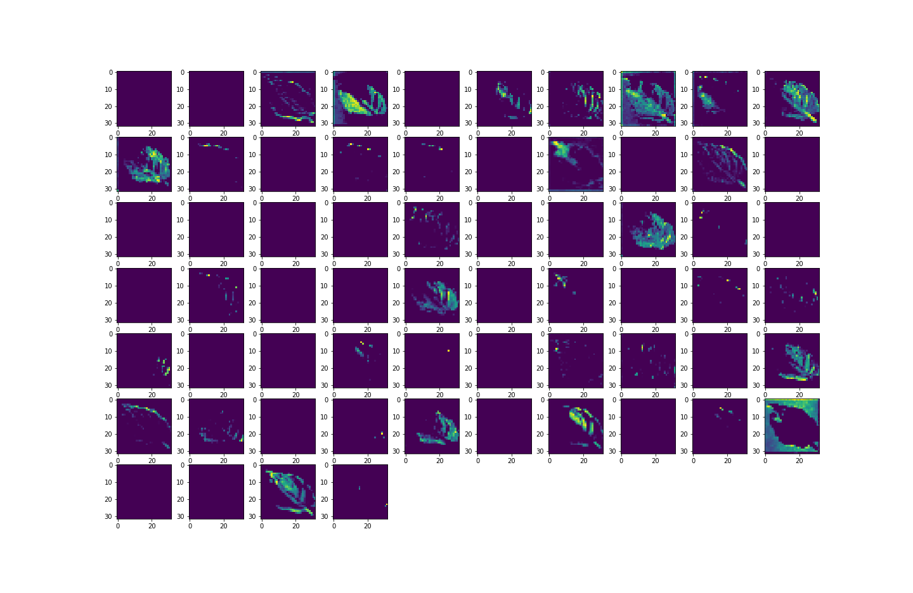
5 | 0.97292715311 | 0.89508116245
6 | 0.98328387737 | 0.90768110752
7 | 0.98376840353 | 0.89968502522
8 | 0.98776572943 | 0.88950812817
9 | 0.98195141554 | 0.86697357893
10 | 0.98728120327 | 0.91131573915
11 | 0.99164193869 | 0.87908893824
12 | 0.986130476 | 0.88853889704
13 | 0.98740231991 | 0.87593895197
14 | 0.98825025558 | 0.88660043478
15 | 0.99636608362 | 0.89241582155
16 | 0.985221982 | 0.90550035238
Base - Essai 2 - Loss
17 | 0.99872809649 | 0.91713106632
18 | 0.99085456133 | 0.88393503428
19 | 0.99139964581 | 0.90113884211
20 | 0.99297440052 | 0.88660043478
21 | 0.98806858063 | 0.8701235652
22 | 0.99442797899 | 0.89823114872
23 | 0.99678999186 | 0.89701962471
24 | 0.99103629589 | 0.88878118992
25 | 0.98697835207 | 0.89968502522
26 | 0.99182361364 | 0.86358129978
27 | 0.99763792753 | 0.89217346907
28 | 0.99479132891 | 0.84468138218
29 | 0.98958271742 | 0.84613519907

Step | Train Loss | Validation Loss
0 | 1.327809453 | 0.56705439091
1 | 0.48472031951 | 0.441111058
2 | 0.2588865757 | 0.41195550561
3 | 0.16354455054 | 0.44174236059
4 | 0.097205154598 | 0.45945882797
5 | 0.081758312881 | 0.36879777908
6 | 0.05168113485 | 0.37644061446
7 | 0.053227197379 | 0.39808657765
8 | 0.035494875163 | 0.45878437161
9 | 0.052832774818 | 0.58902573586
10 | 0.037475474179 | 0.38574054837
11 | 0.027501247823 | 0.55808699131
12 | 0.041982199997 | 0.50223273039
13 | 0.037384923548 | 0.55171251297
14 | 0.03577914089 | 0.53887736797
15 | 0.0107453987 | 0.60782039165
16 | 0.042628306895 | 0.47435349226
17 | 0.0046522705816 | 0.47713524103
18 | 0.02714994736 | 0.59268051386
19 | 0.026672501117 | 0.58808809519
20 | 0.022577444091 | 0.6676748991
21 | 0.036209557205 | 0.7025077939
22 | 0.015565214679 | 0.57331639528
23 | 0.0088065387681 | 0.58383107185
24 | 0.028552871197 | 0.66678524017
25 | 0.04349655658 | 0.53750872612
26 | 0.025516116992 | 0.70570856333
27 | 0.0075786020607 | 0.70822626352
28 | 0.014837760478 | 1.0197685957
29 | 0.032523602247 | 0.98355740309

LR 0,0005
Learning rate : 0.0005 : Accuracy
Step | Train Accuracy | Validation Accuracy | Step | Train Loss | Validation Loss
0 | 0.56871175766 | 0.65059363842 | 0 | 1.3319386244 | 1.0867679119
1 | 0.77166736126 | 0.78337776661 | 1 | 0.6918977499 | 0.6340251565
2 | 0.82011991739 | 0.78628546 | 2 | 0.53642374277 | 0.65126788616
3 | 0.85016047955 | 0.83474677801 | 3 | 0.44498568773 | 0.50467586517
4 | 0.87135851383 | 0.81487762928 | 4 | 0.38912928104 | 0.6018460393
5 | 0.88347160816 | 0.8308698535 | 5 | 0.33919617534 | 0.56487596035
6 | 0.89728057384 | 0.81487762928 | 6 | 0.30078476667 | 0.66386729479
7 | 0.90224701166 | 0.77780467272 | 7 | 0.28353014588 | 0.880874753
8 | 0.91417843103 | 0.87060821056 | 8 | 0.25253635645 | 0.43764612079
9 | 0.92259705067 | 0.83038526773 | 9 | 0.23391008377 | 0.59511458874
10 | 0.92750287056 | 0.88926583529 | 10 | 0.21464082599 | 0.34995621443
11 | 0.92998605967 | 0.85728132725 | 11 | 0.20998618007 | 0.47676923871
12 | 0.93507361412 | 0.856554389 | 12 | 0.19149395823 | 0.54940140247
13 | 0.93761736155 | 0.92343103886 | 13 | 0.18869104981 | 0.25174799562
14 | 0.94294714928 | 0.91519266367 | 14 | 0.16470915079 | 0.29391184449
15 | 0.94415843487 | 0.92270416021 | 15 | 0.16863590479 | 0.27178964019
Learning rate : 0.0005 : Loss
16 | 0.94391620159 | 0.88417738676 | 16 | 0.16012950242 | 0.40141022205
17 | 0.94876140356 | 0.91858494282 | 17 | 0.15326015651 | 0.26285970211
18 | 0.95027559996 | 0.90671187639 | 18 | 0.14985233545 | 0.30837476254
19 | 0.95160800219 | 0.91373878717 | 19 | 0.13966587186 | 0.30628755689
20 | 0.95409119129 | 0.87327355146 | 20 | 0.13765086234 | 0.44732749462
21 | 0.95457571745 | 0.93481945992 | 21 | 0.13376526535 | 0.22638933361
22 | 0.96178305149 | 0.90065425634 | 22 | 0.11580697447 | 0.40355309844
23 | 0.9593604207 | 0.78992003202 | 23 | 0.12037014961 | 1.0504407883
24 | 0.95802795887 | 0.94160407782 | 24 | 0.12110527605 | 0.18874354661
25 | 0.96111685038 | 0.91398108006 | 25 | 0.1141538173 | 0.29480177164
26 | 0.96238869429 | 0.92125028372 | 26 | 0.10721579194 | 0.28688389063
27 | 0.9636605978 | 0.93118488789 | 27 | 0.10245660692 | 0.23058262467
28 | 0.96578037739 | 0.94233101606 | 28 | 0.10275578499 | 0.19351316988
29 | 0.9639633894 | 0.91737341881 | 29 | 0.10463559628 | 0.30454790592
31 | 0.96820300817 | 0.93118488789 | 31 | 0.097979463637 | 0.25383996964
32 | 0.96281266212 | 0.92924642563 | 32 | 0.10436816514 | 0.25248545408
33 | 0.97032278776 | 0.9323964119 | 33 | 0.088230885565 | 0.25666472316
34 | 0.97213977575 | 0.90840804577 | 34 | 0.081493735313 | 0.39465796947
35 | 0.96656775475 | 0.93966561556 | 35 | 0.099296815693 | 0.23222279549
36 | 0.96711283922 | 0.92851948738 | 36 | 0.099846482277 | 0.26160603762
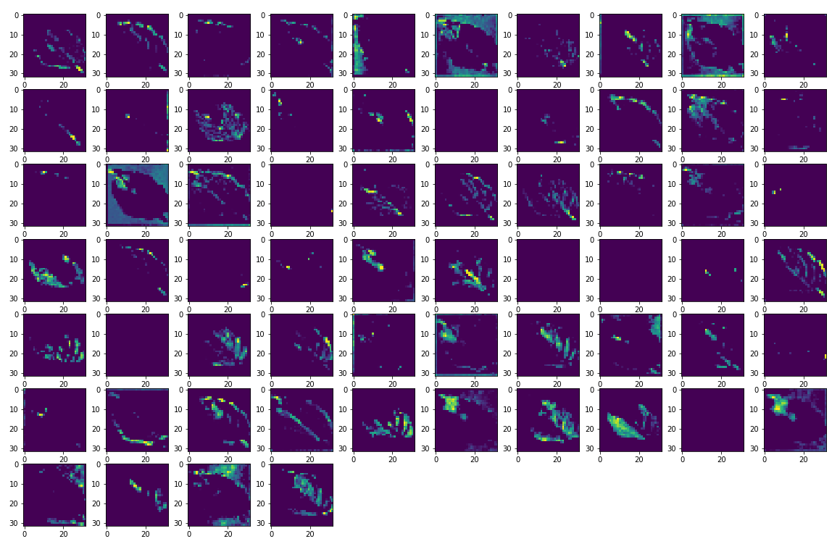
37 | 0.97359335423 | 0.91955417395 | 37 | 0.077992998064 | 0.32678186893
38 | 0.9707467556 | 0.90404653549 | 38 | 0.0842673406 | 0.37947204709
39 | 0.97456240654 | 0.89459657669 | 39 | 0.077719338238 | 0.45049065351
40 | 0.97080731392 | 0.93360793591 | 40 | 0.084159307182 | 0.23546305299
41 | 0.97359335423 | 0.88829660416 | 41 | 0.079113774002 | 0.5474780798
42 | 0.96814244986 | 0.94305789471 | 42 | 0.095532290637 | 0.21544902027
43 | 0.97601598501 | 0.92246180773 | 43 | 0.072152405977 | 0.28403151035
44 | 0.97365391254 | 0.9323964119 | 44 | 0.08137139678 | 0.23239155114
45 | 0.97528922558 | 0.9323964119 | 45 | 0.069362252951 | 0.26689785719
46 | 0.97862029076 | 0.94402712584 | 46 | 0.063392721117 | 0.20542801917
47 | 0.9744412899 | 0.95856553316 | 47 | 0.076222531497 | 0.14657537639
48 | 0.97777241468 | 0.94378483295 | 48 | 0.065909087658 | 0.19714300334
49 | 0.97837805748 | 0.93893867731 | 49 | 0.06482116878 | 0.23312728107
50 | 0.97819638252 | 0.88175427914 | 50 | 0.062507219613 | 0.5322535634
51 | 0.97595542669 | 0.90889263153 | 51 | 0.070278540254 | 0.36506393552
52 | 0.9781357646 | 0.91761571169 | 52 | 0.064992949367 | 0.38604387641
53 | 0.97625827789 | 0.86648899317 | 53 | 0.073362194002 | 0.56023347378
54 | 0.97855973244 | 0.94984251261 | 54 | 0.059166770428 | 0.21096011996
55 | 0.98074012995 | 0.96098864079 | 55 | 0.06053750217 | 0.14662089944
56 | 0.98086124659 | 0.92658102512 | 56 | 0.05639687553 | 0.30502891541
57 | 0.98098236322 | 0.9256118536 | 57 | 0.053209301084 | 0.38709455729
58 | 0.97831749916 | 0.85849285126 | 58 | 0.065315671265 | 0.6337890625
59 | 0.97892314196 | 0.91834264994 | 59 | 0.059703148901 | 0.31191179156
60 | 0.98219370842 | 0.9241579771 | 60 | 0.056632649153 | 0.36331894994
61 | 0.97886258364 | 0.91349649429 | 61 | 0.061417054385 | 0.39691975713
62 | 0.98140633106 | 0.95905017853 | 62 | 0.051850046962 | 0.16127593815
63 | 0.98437404633 | 0.93942332268 | 63 | 0.046143438667 | 0.25028735399
64 | 0.98001331091 | 0.89508116245 | 64 | 0.056978501379 | 0.49039086699
65 | 0.98122465611 | 0.9323964119 | 65 | 0.056035533547 | 0.31215268373
66 | 0.98310220242 | 0.95468860865 | 66 | 0.05187176913 | 0.20397378504
67 | 0.98067957163 | 0.95832324028 | 67 | 0.057934146374 | 0.17800571024
68 | 0.98588818312 | 0.89823114872 | 68 | 0.041273258626 | 0.56329715252
69 | 0.98080068827 | 0.94208866358 | 69 | 0.056969814003 | 0.2515732944

LR 0,01
Learning Rate : 0.01 - Accuracy
Colonne1 | Train Accuracy | Validation Accuracy
0 | 0.1527466476 | 0.16476859152
1 | 0.15311004221 | 0.16476859152
2 | 0.15311004221 | 0.16476859152
3 | 0.15311004221 | 0.16476859152
4 | 0.15311004221 | 0.16476859152
5 | 0.15311004221 | 0.16476859152
6 | 0.15311004221 | 0.16476859152
7 | 0.15311004221 | 0.16476859152
8 | 0.15311004221 | 0.16476859152
9 | 0.15311004221 | 0.16476859152
10 | 0.15311004221 | 0.16476859152
11 | 0.15311004221 | 0.16476859152
12 | 0.15311004221 | 0.16476859152
13 | 0.15311004221 | 0.16476859152
14 | 0.15311004221 | 0.16476859152
15 | 0.15311004221 | 0.16476859152
16 | 0.15311004221 | 0.16476859152
17 | 0.15311004221 | 0.16476859152
Learning Rate : 0.01 - Loss
18 | 0.15311004221 | 0.16476859152
19 | 0.15311004221 | 0.16476859152
20 | 0.15311004221 | 0.16476859152
21 | 0.15311004221 | 0.16476859152
22 | 0.15311004221 | 0.16476859152
23 | 0.15311004221 | 0.16476859152
24 | 0.15311004221 | 0.16476859152
25 | 0.15311004221 | 0.16476859152
26 | 0.15311004221 | 0.16476859152
27 | 0.15311004221 | 0.16476859152
28 | 0.15311004221 | 0.16476859152
29 | 0.15311004221 | 0.16476859152

Step | Train Loss | Validation Loss
0 | 3.0436077118 | 2.5609776974
1 | 2.5700457096 | 2.5633671284
2 | 2.5686078072 | 2.563508749
3 | 2.5683302879 | 2.5658717155
4 | 2.5688743591 | 2.5614671707
5 | 2.5686094761 | 2.5623829365
6 | 2.5679335594 | 2.566368103
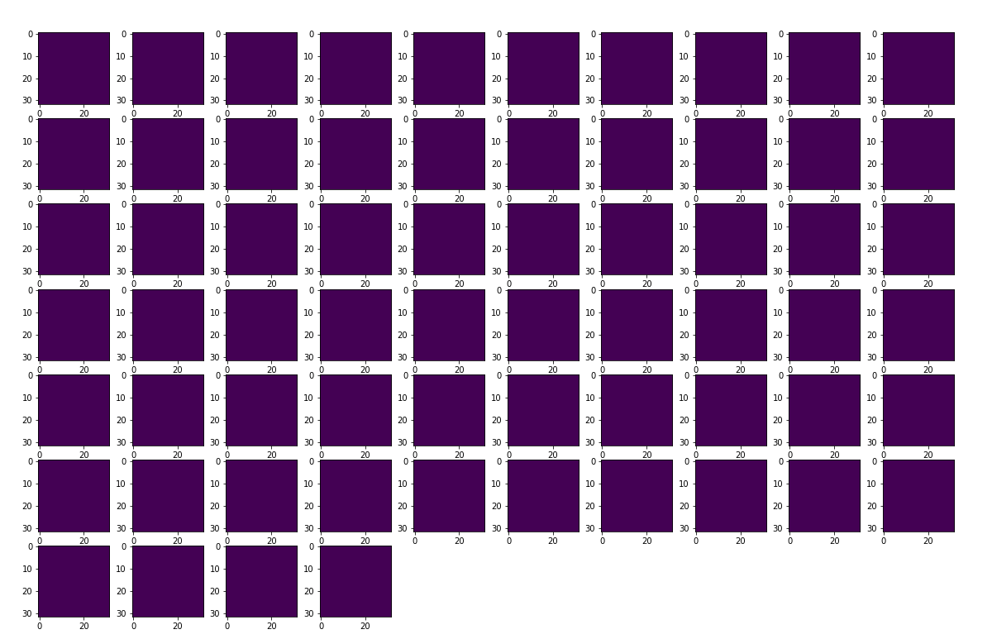
7 | 2.5681347847 | 2.5634839535
8 | 2.5681419373 | 2.5628700256
9 | 2.5679631233 | 2.5639119148
10 | 2.5677027702 | 2.5614695549
11 | 2.5674788952 | 2.5606012344
12 | 2.5673689842 | 2.56341362
13 | 2.5672826767 | 2.5615537167
14 | 2.5675513744 | 2.5601758957
15 | 2.5673205853 | 2.5622274876
16 | 2.5672137737 | 2.5628116131
17 | 2.5671696663 | 2.5633890629
18 | 2.567687273 | 2.5613017082
19 | 2.5675630569 | 2.5606408119
20 | 2.5677006245 | 2.5628809929
21 | 2.5674569607 | 2.5618822575
22 | 2.5675268173 | 2.5630400181
23 | 2.5671107769 | 2.5621175766
24 | 2.5672192574 | 2.5618002415
25 | 2.5675919056 | 2.5635828972
26 | 2.5676028728 | 2.5627841949
27 | 2.5673553944 | 2.5639677048
28 | 2.567997694 | 2.5625429153
29 | 2.5675590038 | 2.5633897781

Etiquettes Sain - Non Sain
Etiquettes Sain/Non sain - Accuracy
Step | Train Accuracy | Validation Accuracy
0 | 0.87971657515 | 0.90768110752
1 | 0.93368059397 | 0.85679668188
2 | 0.94954878092 | 0.87181973457
3 | 0.96226757765 | 0.87375819683
4 | 0.97286659479 | 0.85970437527
5 | 0.97964990139 | 0.84904289246
6 | 0.98140633106 | 0.86842745543
7 | 0.98600929976 | 0.88175427914
8 | 0.98619103432 | 0.8863581419
9 | 0.98364728689 | 0.90646958351
10 | 0.98534309864 | 0.91785800457
11 | 0.98764461279 | 0.96535015106
12 | 0.98867422342 | 0.89774656296
13 | 0.9889164567 | 0.97286164761
14 | 0.99037003517 | 0.93627333641
15 | 0.98897707462 | 0.95590019226
16 | 0.99055176973 | 0.93312335014
Etiquettes Sain/Non sain - Loss
17 | 0.99242931604 | 0.97189241648
18 | 0.99091511965 | 0.98667311668
19 | 0.99043059349 | 0.97261935472
20 | 0.99382227659 | 0.97940391302
21 | 0.98976439238 | 0.97867703438
22 | 0.99236869812 | 0.96559244394
23 | 0.99176305532 | 0.98279619217
24 | 0.99182361364 | 0.98352313042
25 | 0.99194478989 | 0.98788464069
26 | 0.99394345284 | 0.99103462696
27 | 0.99333775043 | 0.98764234781
28 | 0.99255043268 | 0.99248850346
29 | 0.992610991 | 0.98618853092

Step | Train Loss | Validation Loss
0 | 0.27677747607 | 0.24085426331
1 | 0.17072813213 | 0.39435467124
2 | 0.12701265514 | 0.3638728261
3 | 0.10148931295 | 0.35648334026
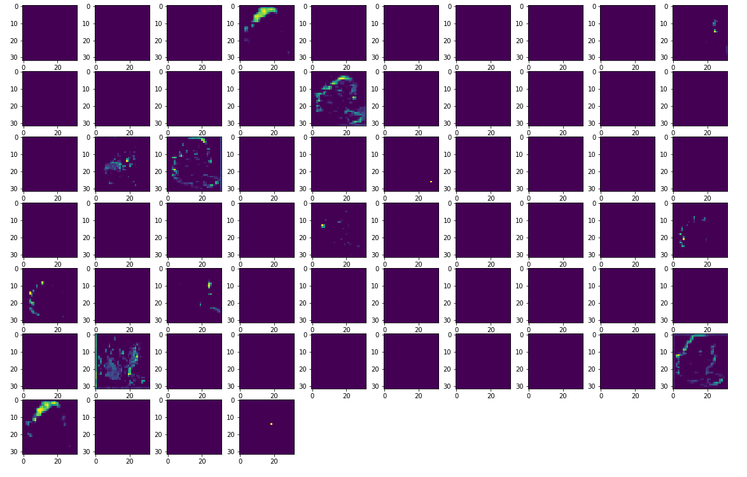
4 | 0.074752092361 | 0.45017069578
5 | 0.058587543666 | 0.59564441442
6 | 0.053835250437 | 0.4878821969
7 | 0.042771399021 | 0.54662883282
8 | 0.038606736809 | 0.40761750937
9 | 0.047046389431 | 0.36769279838
10 | 0.042597550899 | 0.30248382688
11 | 0.03477171436 | 0.12035655975
12 | 0.034275025129 | 0.43689152598
13 | 0.030845582485 | 0.088070638478
14 | 0.027711756527 | 0.23187750578
15 | 0.030798252672 | 0.14920303226
16 | 0.024241473526 | 0.31607177854
17 | 0.024420905858 | 0.11031661183
18 | 0.027439985424 | 0.10082931072
19 | 0.025601383299 | 0.092553600669
20 | 0.019309053198 | 0.089636668563
21 | 0.029565557837 | 0.084623634815
22 | 0.022184850648 | 0.16923852265
23 | 0.029281251132 | 0.071575388312
24 | 0.024199776351 | 0.056577458978
25 | 0.026021158323 | 0.041056118906
26 | 0.01824035868 | 0.032106265426
27 | 0.019704516977 | 0.04521663487
28 | 0.022897778079 | 0.034612681717
29 | 0.021245105192 | 0.053567297757

Batchsize 16
Batchsize 16 - Accuracy
Step | Train Accuracy | Validation Accuracy
0 | 0.55399429798 | 0.65665131807
1 | 0.74980318546 | 0.61085534096
2 | 0.81515353918 | 0.70971649885
3 | 0.840470016 | 0.73830872774
4 | 0.86499911547 | 0.82311606407
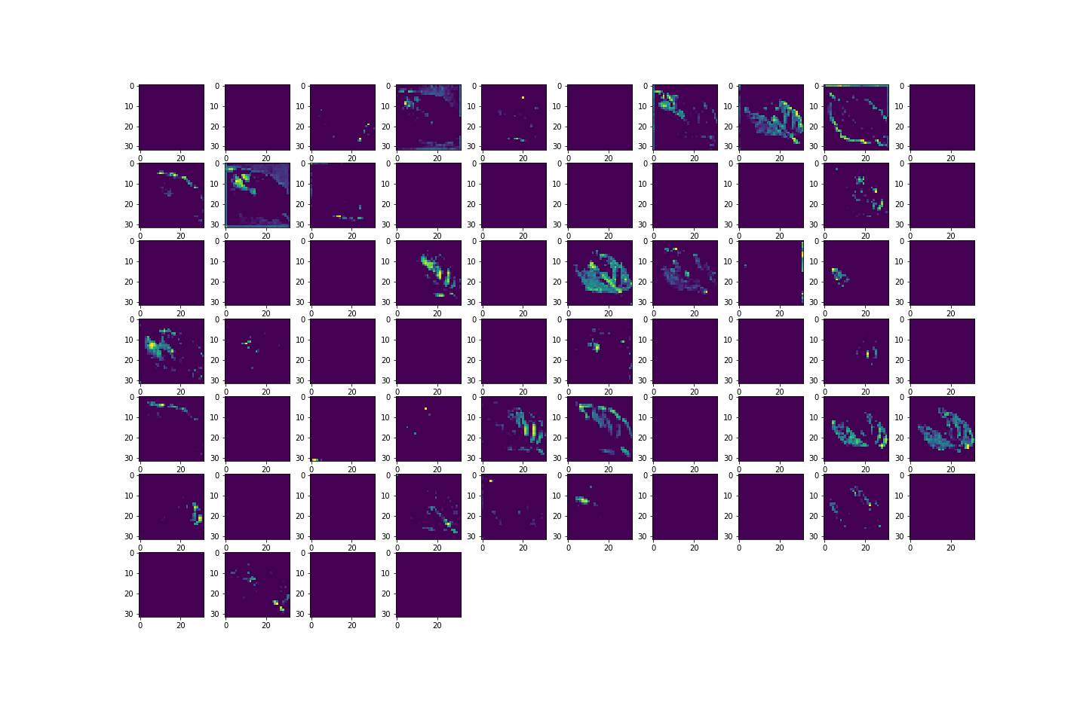
5 | 0.8805038929 | 0.70220500231
6 | 0.89764398336 | 0.82384300232
7 | 0.9023681283 | 0.86236977577
8 | 0.90957546234 | 0.83813905716
9 | 0.91514748335 | 0.88102740049
10 | 0.92356610298 | 0.85413134098
11 | 0.92659437656 | 0.83983522654
12 | 0.92768454552 | 0.92125028372
13 | 0.93004661798 | 0.82505452633
14 | 0.93198472261 | 0.91155803204
15 | 0.93507361412 | 0.89217346907
16 | 0.93991881609 | 0.86261206865
17 | 0.94373446703 | 0.89362734556
18 | 0.9427048564 | 0.86406588554
19 | 0.94797408581 | 0.87424278259
20 | 0.94536978006 | 0.92682337761
Batchsize 16 - Loss
21 | 0.94924592972 | 0.9241579771
22 | 0.94742900133 | 0.87811970711
23 | 0.95142632723 | 0.92948871851
24 | 0.95154744387 | 0.90671187639
25 | 0.95324331522 | 0.92658102512
26 | 0.95082068443 | 0.91591954231
27 | 0.95512080193 | 0.89726191759
28 | 0.95724064112 | 0.91349649429
29 | 0.96014779806 | 0.91325420141

Step | Train Loss | Validation Loss
0 | 1.3578425646 | 1.0328034163
1 | 0.73665332794 | 1.3096069098
2 | 0.55223870277 | 0.99005126953
3 | 0.46212416887 | 0.91781228781
4 | 0.40443664789 | 0.6028393507
5 | 0.3554828763 | 1.3437136412
6 | 0.31120955944 | 0.63314330578
7 | 0.29019165039 | 0.48983645439
8 | 0.26565670967 | 0.59607094526
9 | 0.25150880218 | 0.37413698435
10 | 0.223006621 | 0.50494712591
11 | 0.21918602288 | 0.63321352005
12 | 0.21322189271 | 0.25018638372
13 | 0.2137889117 | 0.65346127748
14 | 0.19400370121 | 0.29519477487
15 | 0.19027115405 | 0.39734897017
16 | 0.17980630696 | 0.57168722153
17 | 0.16979815066 | 0.3798314929
18 | 0.16913560033 | 0.53543794155
19 | 0.1620823741 | 0.51100695133
20 | 0.16596467793 | 0.27498942614
21 | 0.15053004026 | 0.29527232051
22 | 0.15635757148 | 0.51172894239
23 | 0.14941006899 | 0.267149508
24 | 0.14271013439 | 0.34339773655
25 | 0.13882088661 | 0.30397236347
26 | 0.14495874941 | 0.31864655018
27 | 0.13312074542 | 0.40021279454
28 | 0.13228781521 | 0.35770377517
29 | 0.12100050598 | 0.37295433879

Batchsize 64
Batchsize 64 - Accuracy
Step | Train Accuracy | Validation Accuracy
0 | 0.50027257204 | 0.58759391308
1 | 0.72309368849 | 0.64889752865
2 | 0.78281146288 | 0.7266779542
3 | 0.82974988222 | 0.77417010069
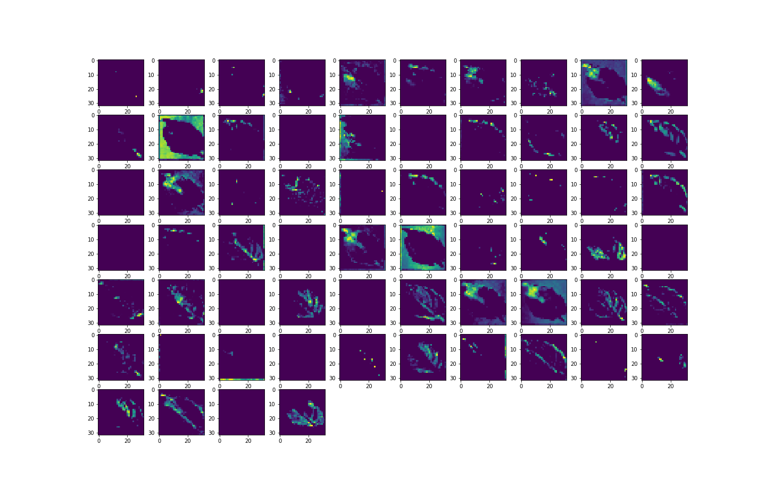
4 | 0.85367327929 | 0.69348192215
5 | 0.87329661846 | 0.79936999083
6 | 0.88383501768 | 0.85631209612
7 | 0.89407062531 | 0.77368551493
8 | 0.89728057384 | 0.85631209612
9 | 0.91042333841 | 0.83062756062
10 | 0.91708558798 | 0.85679668188
11 | 0.92308157682 | 0.88345044851
12 | 0.91738837957 | 0.85364669561
13 | 0.92986494303 | 0.90598499775
14 | 0.93755680323 | 0.89241582155
15 | 0.93022835255 | 0.85485827923
16 | 0.93949490786 | 0.89629268646
17 | 0.94276541471 | 0.91325420141
Batchsize 64 - Loss
18 | 0.94767123461 | 0.91713106632
19 | 0.94797408581 | 0.87908893824
20 | 0.94960933924 | 0.89944267273
21 | 0.95294046402 | 0.87811970711
22 | 0.95372784138 | 0.88708502054
23 | 0.9537883997 | 0.93118488789
24 | 0.95808857679 | 0.88878118992
25 | 0.95948153734 | 0.91664648056
26 | 0.96154081821 | 0.8999273181
27 | 0.96154081821 | 0.94426941872
28 | 0.95954209566 | 0.90719652176
29 | 0.9611774087 | 0.90840804577

Step | Train Loss | Validation Loss
0 | 1.5603909492 | 0.68423235416
1 | 0.8278798461 | 0.45447176695
2 | 0.63605320454 | 0.44074347615
3 | 0.50540369749 | 0.44026276469
4 | 0.43723413348 | 0.36288890243
5 | 0.37877038121 | 0.41691964865
6 | 0.33965694904 | 0.51002937555
7 | 0.31409645081 | 0.42688053846
8 | 0.30193996429 | 0.47729024291
9 | 0.26122754812 | 0.6273368001
10 | 0.24562175572 | 0.50044488907
11 | 0.22335697711 | 0.56084537506
12 | 0.23876279593 | 0.6925060153
13 | 0.20572599769 | 0.53952550888
14 | 0.18624073267 | 0.71436142921
15 | 0.20267079771 | 0.52217078209
16 | 0.17857481539 | 0.6085074544
17 | 0.17257611454 | 0.60053032637
18 | 0.15852756798 | 0.67956316471
19 | 0.15069307387 | 0.56975853443
20 | 0.14612385631 | 0.67262399197
21 | 0.13980311155 | 0.76212656498
22 | 0.13879291713 | 0.76060515642
23 | 0.13533136249 | 0.91034930944
24 | 0.12205007672 | 0.65827769041
25 | 0.12205457687 | 0.73279440403
26 | 0.1143419072 | 0.94475823641
27 | 0.11181012541 | 0.71709829569
28 | 0.11442170292 | 1.003046155
29 | 0.11325727403 | 0.76422953606

MobileNet
MobileNet - Accuracy
Step | Train Accuracy | Validation Accuracy
0 | 0.94306826591 | 0.98255389929
1 | 0.97232151031 | 0.98352313042
2 | 0.97643995285 | 0.9837654233
3 | 0.97855973244 | 0.98449236155
4 | 0.978741467 | 0.98594617844
5 | 0.97964990139 | 0.98303854465
6 | 0.97880202532 | 0.98521929979
7 | 0.97862029076 | 0.98473465443
8 | 0.98007386923 | 0.98570388556
9 | 0.98049783707 | 0.98449236155

Step | Train Loss | Validation Loss
0 | 0.15008488297 | 0.050078246742
1 | 0.068981029093 | 0.043684761971
MobileNet - Loss
2 | 0.060977723449 | 0.041596505791
3 | 0.05538218841 | 0.043472550809
4 | 0.054922826588 | 0.038975406438
5 | 0.057121194899 | 0.043044667691
6 | 0.055442605168 | 0.040540799499
7 | 0.05800434947 | 0.041754018515
8 | 0.055641829967 | 0.040463268757
9 | 0.054082326591 | 0.04145584628

Relabeled-imgsize
Relabeled-Image Size- Accuracy
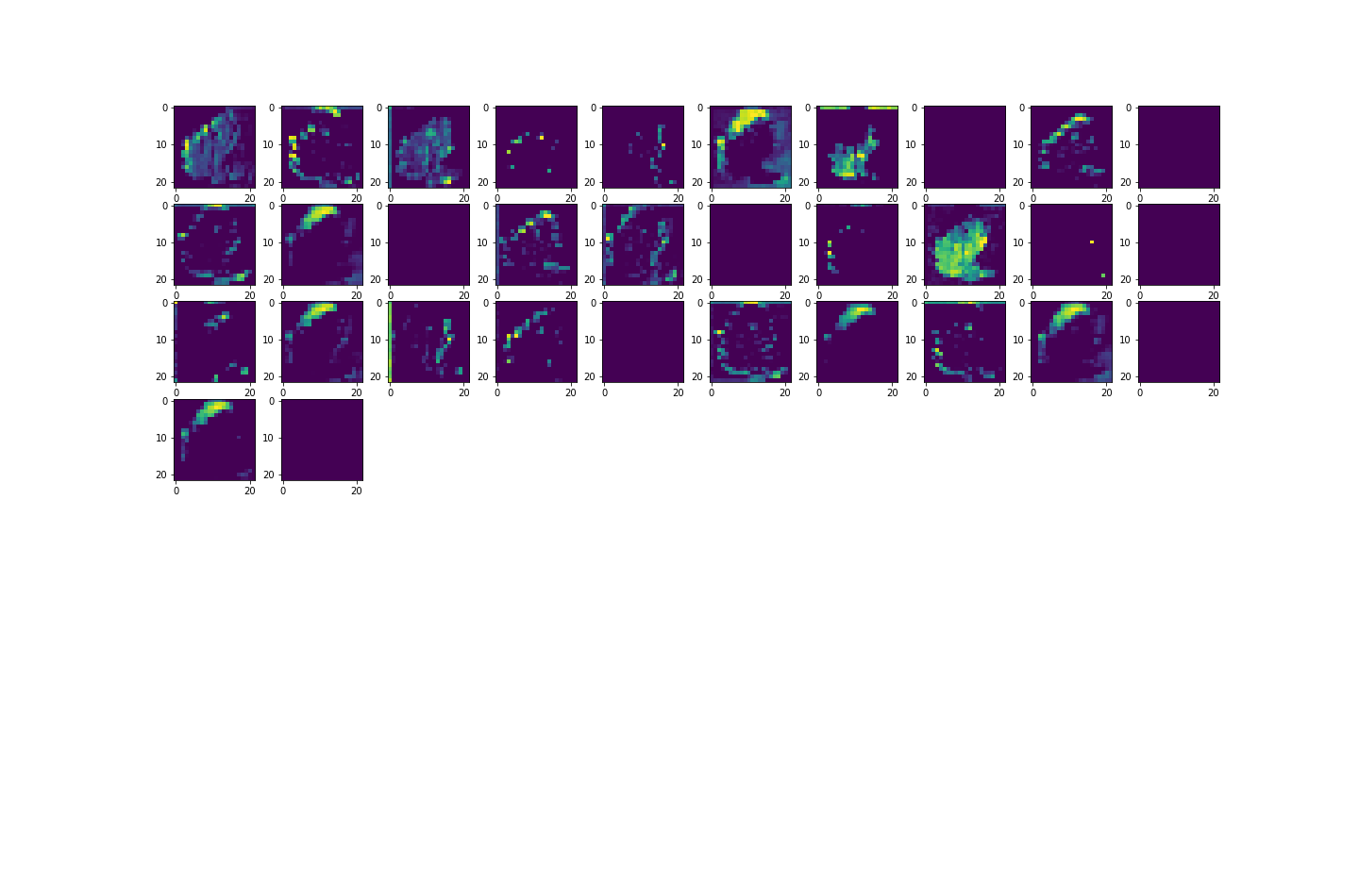
Step | Train Accuracy | Validation Accuracy
0 | 0.87160074711 | 0.86624664068
1 | 0.92417174578 | 0.93118488789
2 | 0.95142632723 | 0.88078504801
3 | 0.96469020844 | 0.88684272766
4 | 0.97238206863 | 0.90041190386
5 | 0.97547090054 | 0.9648655057
6 | 0.97922599316 | 0.95590019226
7 | 0.9784386158 | 0.97601163387
8 | 0.98080068827 | 0.88296586275
9 | 0.98388952017 | 0.97528469563
10 | 0.98310220242 | 0.96583473682
11 | 0.98455572128 | 0.96704626083
12 | 0.98510086536 | 0.94645023346
13 | 0.9886136651 | 0.97795009613
Relabeled-Image Size- Loss
14 | 0.98728120327 | 0.98909622431
15 | 0.98855310678 | 0.92173492908
16 | 0.98994606733 | 0.98812699318
17 | 0.99049121141 | 0.95590019226
18 | 0.99049121141 | 0.94669252634
19 | 0.99073344469 | 0.99273079634
20 | 0.99067288637 | 0.98594617844
21 | 0.99146026373 | 0.98909622431
22 | 0.99055176973 | 0.99127697945
23 | 0.99091511965 | 0.98570388556
24 | 0.99109685421 | 0.98521929979
25 | 0.99242931604 | 0.96147322655
26 | 0.99224758148 | 0.98812699318
27 | 0.99079400301 | 0.99273079634
28 | 0.99327719212 | 0.99030774832
29 | 0.99358004332 | 0.97867703438

Step | Train Loss | Validation Loss
0 | 0.29508090019 | 0.29149928689
1 | 0.18483676016 | 0.16494400799
2 | 0.12615039945 | 0.29130756855
3 | 0.092807926238 | 0.30424293876
4 | 0.072573691607 | 0.22988586128
5 | 0.069682717323 | 0.10188949108
6 | 0.057782821357 | 0.11879064888
7 | 0.059268001467 | 0.069088354707
8 | 0.055538907647 | 0.38933250308
9 | 0.045360449702 | 0.081007964909
10 | 0.047814685851 | 0.10560820252
11 | 0.045969869941 | 0.098636239767
12 | 0.040526196361 | 0.14185014367
13 | 0.036979086697 | 0.07911233604
14 | 0.035318747163 | 0.048298884183
15 | 0.032920561731 | 0.21880194545
16 | 0.030230928212 | 0.049132477492
17 | 0.030678115785 | 0.13324643672
18 | 0.028466571122 | 0.15607692301
19 | 0.028881881386 | 0.046719241887
20 | 0.028314761817 | 0.062301713973
21 | 0.025066485628 | 0.050851356238
22 | 0.027867864817 | 0.045430812985
23 | 0.025306865573 | 0.07214935869
24 | 0.0258811526 | 0.058867827058
25 | 0.022866372019 | 0.1387501061
26 | 0.023274894804 | 0.059789855033
27 | 0.030579790473 | 0.043309766799
28 | 0.024700501934 | 0.049845471978
29 | 0.019086308777 | 0.086417123675

Relabeled-n4
Relabeled- Average Pooling - Accuracy
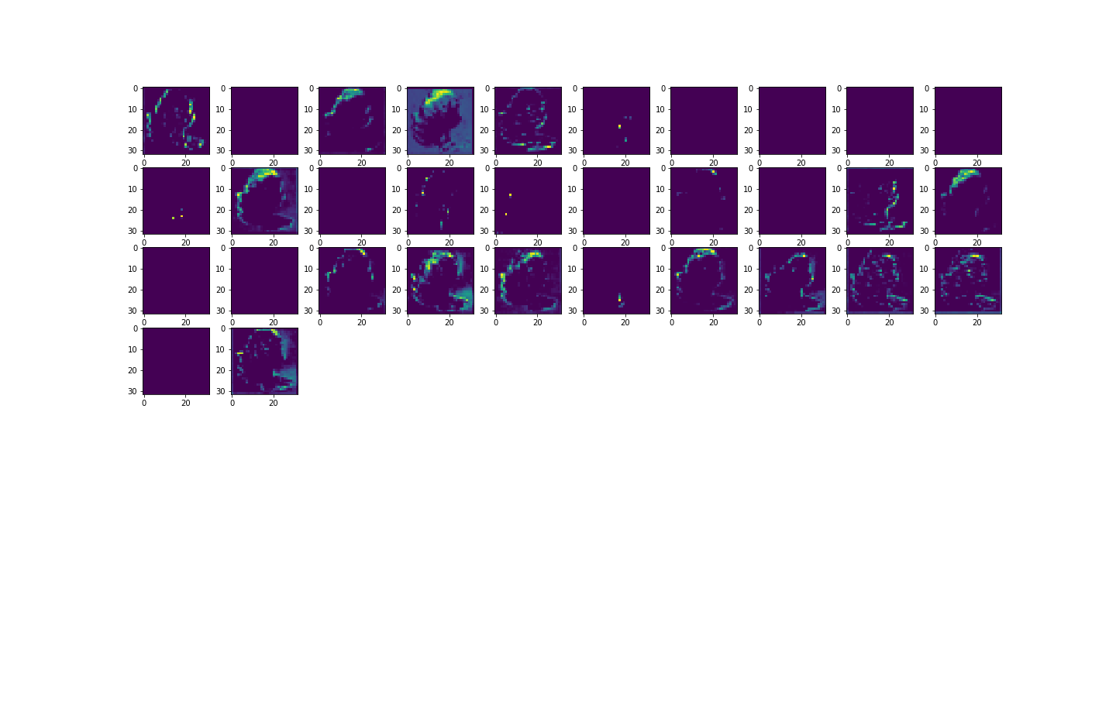
Step | Train Accuracy | Validation Accuracy
0 | 0.8555508256 | 0.90961956978
1 | 0.8992792964 | 0.9147080183
2 | 0.92968326807 | 0.81778532267
3 | 0.94003999233 | 0.88684272766
4 | 0.94573312998 | 0.88175427914
5 | 0.95608985424 | 0.88950812817
6 | 0.95851248503 | 0.86503511667
7 | 0.96378171444 | 0.84419673681
8 | 0.96880865097 | 0.94935786724
9 | 0.97432017326 | 0.89556580782
10 | 0.97232151031 | 0.93070024252
11 | 0.98001331091 | 0.92997336388
12 | 0.98195141554 | 0.95153862238
13 | 0.98564594984 | 0.97504240274
Relabeled- Average Pooling - Loss
14 | 0.98643326759 | 0.97116547823
15 | 0.98546421528 | 0.97576934099
16 | 0.98812913895 | 0.91834264994
17 | 0.98843193054 | 0.94984251261
18 | 0.98764461279 | 0.9350618124
19 | 0.98746287823 | 0.96801549196
20 | 0.98940098286 | 0.98449236155
21 | 0.98885589838 | 0.98740005493
22 | 0.9883108139 | 0.95977705717
23 | 0.99164193869 | 0.97140783072
24 | 0.99018836021 | 0.97383087873
25 | 0.99091511965 | 0.98061543703
26 | 0.98407125473 | 0.97286164761
27 | 0.99218702316 | 0.9701962471
28 | 0.99030947685 | 0.96462321281
29 | 0.98927986622 | 0.96607702971

Step | Train Loss | Validation Loss
0 | 0.3307017386 | 0.24125856161
1 | 0.23948571086 | 0.2479621172
2 | 0.18953515589 | 0.31986698508
3 | 0.16357134283 | 0.25366389751
4 | 0.14943018556 | 0.22992290556
5 | 0.12372272462 | 0.22467954457
6 | 0.11669527739 | 0.2754060328
7 | 0.10161623359 | 0.32071888447
8 | 0.092817075551 | 0.1533806026
9 | 0.084690891206 | 0.22759926319
10 | 0.08295828104 | 0.14579829574
11 | 0.061962720007 | 0.15692485869
12 | 0.058643434197 | 0.10880596936
13 | 0.047595672309 | 0.065481998026
14 | 0.044868677855 | 0.072900250554
15 | 0.045619834214 | 0.076194398105
16 | 0.042702902108 | 0.19368521869
17 | 0.035848718137 | 0.1255556494
18 | 0.038438871503 | 0.16086246073
19 | 0.035945814103 | 0.077735051513
20 | 0.032655216753 | 0.041878860444
21 | 0.031741090119 | 0.033940725029
22 | 0.034125901759 | 0.10360585898
23 | 0.026021450758 | 0.077939756215
24 | 0.028913851827 | 0.063449032605
25 | 0.025431282818 | 0.049306131899
26 | 0.046931806952 | 0.070969700813
27 | 0.024941265583 | 0.082341842353
28 | 0.029025841504 | 0.11083321273
29 | 0.029785394669 | 0.10416503251

Relabeled-n3
Relabeled - Dropout 0 - Accuracy
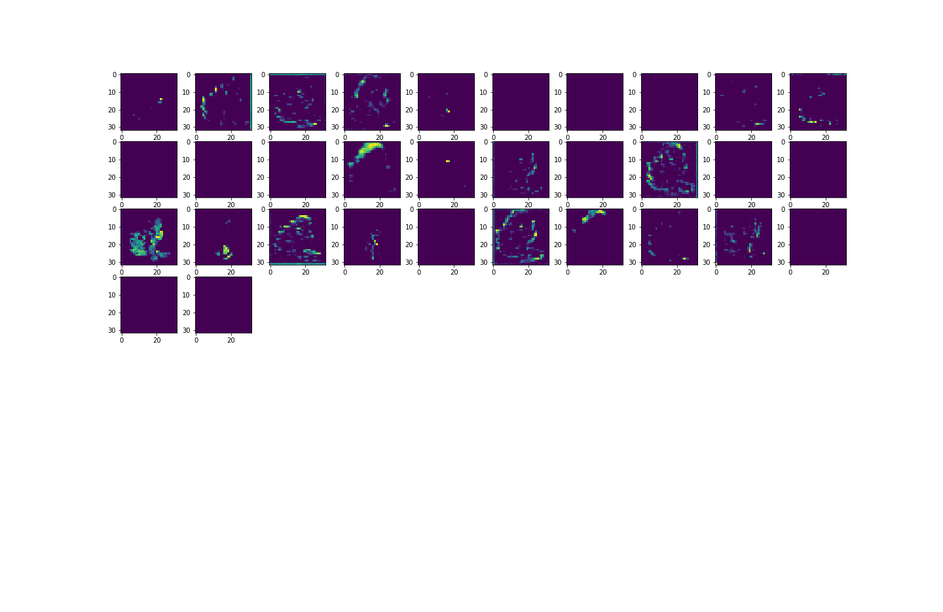
Step | Train Accuracy | Validation Accuracy
0 | 0.88486462831 | 0.76011627913
1 | 0.93573981524 | 0.76253938675
2 | 0.95178973675 | 0.81511992216
3 | 0.9534855485 | 0.81560456753
4 | 0.96414512396 | 0.81003147364
5 | 0.97268486023 | 0.80760842562
6 | 0.978741467 | 0.88151198626
7 | 0.98322331905 | 0.87448507547
8 | 0.98225426674 | 0.94136178493
9 | 0.9855247736 | 0.92076569796
10 | 0.98473745584 | 0.96438091993
11 | 0.9855247736 | 0.92343103886
12 | 0.9901278019 | 0.96898472309
13 | 0.98867422342 | 0.96680396795
Relabeled - Dropout 0 - Loss
14 | 0.98788684607 | 0.97819238901
15 | 0.98927986622 | 0.94596558809
16 | 0.98903763294 | 0.94984251261
17 | 0.99127852917 | 0.9648655057
18 | 0.98964327574 | 0.94596558809
19 | 0.99218702316 | 0.98497700691
20 | 0.98970383406 | 0.93893867731
21 | 0.98934042454 | 0.96026170254
22 | 0.99091511965 | 0.97334623337
23 | 0.99236869812 | 0.97189241648
24 | 0.99158138037 | 0.98352313042
25 | 0.99248987436 | 0.93166947365
26 | 0.99327719212 | 0.96946936846
27 | 0.99242931604 | 0.98909622431
28 | 0.99430680275 | 0.98037314415
29 | 0.99376171827 | 0.97601163387
30 | 0.99218702316 | 0.97916162014
31 | 0.99485188723 | 0.97770780325
32 | 0.992610991 | 0.98158466816
33 | 0.99164193869 | 0.95202326775
34 | 0.99442797899 | 0.98352313042
35 | 0.99436742067 | 0.9716501236
36 | 0.993519485 | 0.96268475056
37 | 0.99364060163 | 0.98764234781
38 | 0.99521529675 | 0.98740005493
39 | 0.99412512779 | 0.98449236155
40 | 0.99515473843 | 0.98497700691
41 | 0.99364060163 | 0.98958081007
42 | 0.99515473843 | 0.9864308238
43 | 0.99479132891 | 0.95929247141
44 | 0.99485188723 | 0.98449236155
45 | 0.99358004332 | 0.9837654233
46 | 0.99400401115 | 0.98134237528
47 | 0.99618434906 | 0.99030774832
48 | 0.99376171827 | 0.98303854465
49 | 0.99503362179 | 0.9811000824
50 | 0.99527585506 | 0.98812699318
51 | 0.99612379074 | 0.98764234781
52 | 0.99376171827 | 0.99224621058
53 | 0.99394345284 | 0.97746545076
54 | 0.99509418011 | 0.9743154645
55 | 0.99588155746 | 0.95929247141
56 | 0.99551814795 | 0.98618853092
57 | 0.99618434906 | 0.96631938219
58 | 0.99582093954 | 0.98594617844
59 | 0.99624490738 | 0.9811000824

Step | Train Loss | Validation Loss
0 | 0.29007670283 | 0.52212619781
1 | 0.16141815484 | 0.67707175016
2 | 0.12797015905 | 0.46794509888
3 | 0.12239701301 | 0.42978894711
4 | 0.095571763813 | 0.43854537606
5 | 0.074449546635 | 0.65782731771
6 | 0.05967283994 | 0.31937587261
7 | 0.050378993154 | 0.3435228169
8 | 0.050420247018 | 0.16694393754
9 | 0.042421486229 | 0.20517587662
10 | 0.041799690574 | 0.10915766656
11 | 0.041226293892 | 0.19201518595
12 | 0.030199270695 | 0.10375776142
13 | 0.034781441092 | 0.10292510688
14 | 0.034414060414 | 0.083966940641
15 | 0.032331805676 | 0.17370143533
16 | 0.032546229661 | 0.16979688406
17 | 0.029425568879 | 0.12898510695
18 | 0.032411608845 | 0.21747273207
19 | 0.023614242673 | 0.074380613863
20 | 0.028589030728 | 0.1912355423
21 | 0.034188099205 | 0.13929861784
22 | 0.025626027957 | 0.1039640978
23 | 0.023447973654 | 0.10849962384
24 | 0.025815943256 | 0.077623449266
25 | 0.022957531735 | 0.25782731175
26 | 0.021765578538 | 0.1074488312
27 | 0.025299379602 | 0.0670401752
28 | 0.018402956426 | 0.091238662601
29 | 0.019312620163 | 0.10258497298
30 | 0.022078795359 | 0.095312744379
31 | 0.015798492357 | 0.11303963512
32 | 0.022989550605 | 0.10160075873
33 | 0.026311527938 | 0.16064636409
34 | 0.017352759838 | 0.097959987819
35 | 0.017566822469 | 0.13734298944
36 | 0.019693557173 | 0.2066321969
37 | 0.019154651091 | 0.079099617898
38 | 0.016255239025 | 0.11097082496
39 | 0.020181532949 | 0.094139575958
40 | 0.016059489921 | 0.11026123166
41 | 0.019730744883 | 0.073658436537
42 | 0.015010793693 | 0.092533640563
43 | 0.015510091558 | 0.20075502992
44 | 0.017878888175 | 0.10266774148
45 | 0.017884818837 | 0.097170688212
46 | 0.017163090408 | 0.12117469311
47 | 0.01110128127 | 0.094160370529
48 | 0.018539804965 | 0.086501196027
49 | 0.014449660666 | 0.10024883598
50 | 0.013125631027 | 0.092001266778
51 | 0.012078863569 | 0.10029480606
52 | 0.018239840865 | 0.069331817329
53 | 0.019006885588 | 0.11261434108
54 | 0.013736710884 | 0.17438934743
55 | 0.012168437243 | 0.19208116829
56 | 0.014037731104 | 0.10182216763
57 | 0.012264631689 | 0.18771721423
58 | 0.012732272036 | 0.12025100738
59 | 0.012055726722 | 0.14555707574

Base2
Base - Essai 2 - Accuracy
Step | Train Accuracy | Validation Accuracy
0 | 0.37883836031 | 0.56457477808
1 | 0.64581185579 | 0.59898233414
2 | 0.73811399937 | 0.71674340963
3 | 0.78202408552 | 0.76157015562
4 | 0.81200408936 | 0.78628546
5 | 0.83937978745 | 0.73588562012
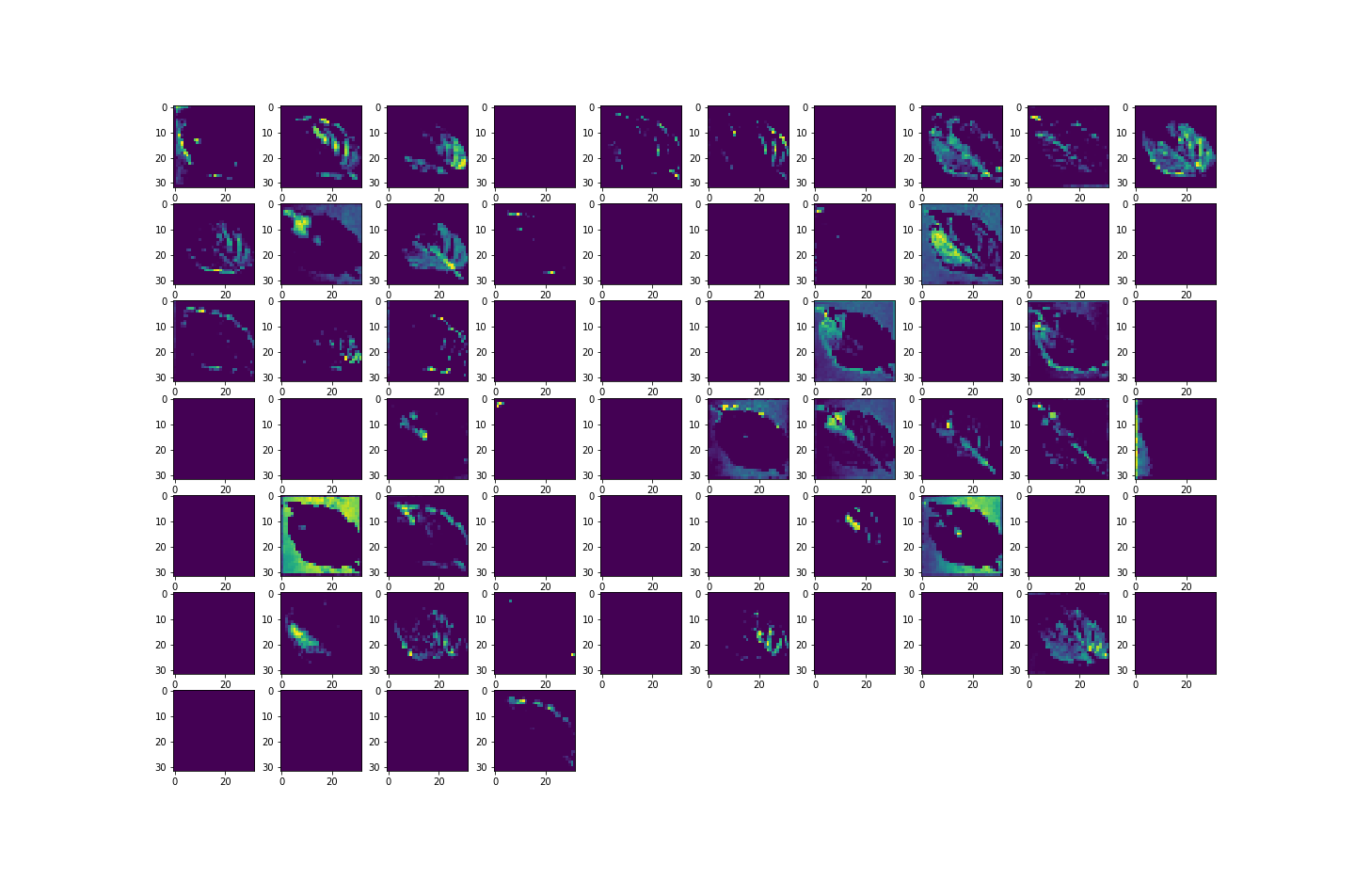
6 | 0.8518563509 | 0.82069301605
7 | 0.86130458117 | 0.78289312124
8 | 0.87317544222 | 0.80906230211
9 | 0.88413786888 | 0.85994666815
10 | 0.89213252068 | 0.82238912582
11 | 0.90509355068 | 0.85219287872
12 | 0.91060507298 | 0.8999273181
13 | 0.9122403264 | 0.83910828829
14 | 0.91569256783 | 0.8471044302
15 | 0.92374777794 | 0.88320815563
16 | 0.92580705881 | 0.92730796337
17 | 0.92138576508 | 0.90574264526
18 | 0.93337774277 | 0.88320815563
Base - Essai 2 - Loss
19 | 0.93252980709 | 0.85267746449
20 | 0.93525528908 | 0.92488491535
21 | 0.94040334225 | 0.93724256754
22 | 0.94016110897 | 0.90138113499
23 | 0.94131183624 | 0.89701962471
24 | 0.94415843487 | 0.92779260874
25 | 0.9457936883 | 0.90961956978
26 | 0.94658106565 | 0.94330024719
27 | 0.94082731009 | 0.92003875971
28 | 0.94730788469 | 0.94499635696
29 | 0.94318938255 | 0.88853889704

Step | Train Loss | Validation Loss
0 | 1.9699519873 | 1.3886727095
1 | 1.0715299845 | 1.3642169237
2 | 0.7829221487 | 0.87845444679
3 | 0.64326989651 | 0.68663859367
4 | 0.55611431599 | 0.65393131971
5 | 0.47803735733 | 0.89000630379
6 | 0.43820437789 | 0.55132710934
7 | 0.40768417716 | 0.74476367235
8 | 0.37267482281 | 0.60186964273
9 | 0.34438717365 | 0.44002768397
10 | 0.31918236613 | 0.62275826931
11 | 0.28596195579 | 0.50831377506
12 | 0.26760092378 | 0.29817986488
13 | 0.27288576961 | 0.53460949659
14 | 0.24499720335 | 0.49274933338
15 | 0.22743444145 | 0.3731636703
16 | 0.22174079716 | 0.23486310244
17 | 0.22961111367 | 0.29170271754
18 | 0.19885718822 | 0.38179191947
19 | 0.19730195403 | 0.5550070405
20 | 0.19764766097 | 0.24759288132
21 | 0.17791368067 | 0.21589231491
22 | 0.17593370378 | 0.34105855227
23 | 0.1707958132 | 0.35976412892
24 | 0.1684768796 | 0.24106279016
25 | 0.15951503813 | 0.31327655911
26 | 0.16012887657 | 0.183411479
27 | 0.17909511924 | 0.2758718729
28 | 0.16053262353 | 0.18459555507
29 | 0.16625402868 | 0.44387233257

Relabeled-n2
Relabeled - Moins de neurones - Accuracy
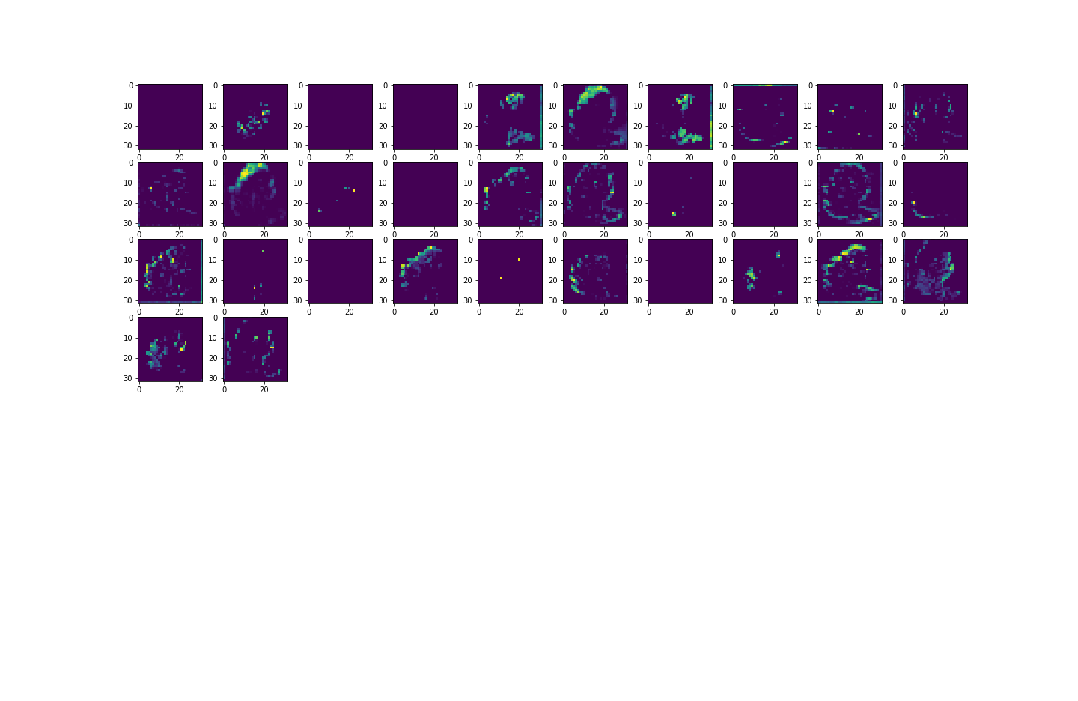
Step | Train Accuracy | Validation Accuracy
0 | 0.87269091606 | 0.8769081831
1 | 0.92871421576 | 0.87933123112
2 | 0.94755011797 | 0.73176640272
3 | 0.95336443186 | 0.91422343254
4 | 0.96287322044 | 0.87642353773
5 | 0.97056508064 | 0.93578869104
6 | 0.98043727875 | 0.94111943245
7 | 0.98037672043 | 0.90550035238
8 | 0.98146688938 | 0.95832324028
9 | 0.98546421528 | 0.9350618124
10 | 0.98546421528 | 0.90792346001
11 | 0.98806858063 | 0.976980865
12 | 0.98800802231 | 0.87303125858
13 | 0.98964327574 | 0.96123093367
14 | 0.99139964581 | 0.88950812817
Relabeled - Moins de neurones - Accuracy
15 | 0.98988550901 | 0.94814634323
16 | 0.98994606733 | 0.88102740049
17 | 0.9889164567 | 0.92730796337
18 | 0.99188417196 | 0.95468860865
19 | 0.99024891853 | 0.8958081007
20 | 0.98970383406 | 0.94911557436
21 | 0.98873478174 | 0.96413862705
22 | 0.9929138422 | 0.97092318535
23 | 0.99467021227 | 0.98013085127
24 | 0.99224758148 | 0.97940391302
25 | 0.99467021227 | 0.88708502054
26 | 0.99394345284 | 0.8754543066
27 | 0.99255043268 | 0.98303854465
28 | 0.99442797899 | 0.91398108006
29 | 0.99430680275 | 0.976980865
31 | 0.99400401115 | 0.98158466816
32 | 0.99303495884 | 0.97916162014
33 | 0.99479132891 | 0.94741940498
34 | 0.99545758963 | 0.95832324028
35 | 0.99491250515 | 0.98255389929
36 | 0.99557870626 | 0.97116547823
37 | 0.99394345284 | 0.91616183519
38 | 0.99473077059 | 0.9811000824
39 | 0.98504024744 | 0.92755025625
40 | 0.98873478174 | 0.98885387182
41 | 0.99418568611 | 0.98594617844
42 | 0.99460965395 | 0.97916162014
43 | 0.99545758963 | 0.97891932726
44 | 0.99642664194 | 0.97770780325
45 | 0.99146026373 | 0.99079233408
46 | 0.99515473843 | 0.98570388556
47 | 0.99582093954 | 0.9958807826
48 | 0.99588155746 | 0.99248850346
49 | 0.99539703131 | 0.9445117712
50 | 0.99503362179 | 0.98861157894
51 | 0.99527585506 | 0.89071965218
52 | 0.99364060163 | 0.98231160641
53 | 0.99648720026 | 0.98206931353
54 | 0.99551814795 | 0.9282771945
55 | 0.99551814795 | 0.95565783978
56 | 0.99588155746 | 0.99563848972
57 | 0.99648720026 | 0.98812699318
58 | 0.99636608362 | 0.99418461323
59 | 0.99418568611 | 0.98521929979

Step | Train Loss | Validation Loss
0 | 0.30049675703 | 0.28435710073
1 | 0.17743434012 | 0.2805249691
2 | 0.14010611176 | 0.86532437801
3 | 0.12393166125 | 0.22563798726
4 | 0.10408585519 | 0.32411512733
5 | 0.078018903732 | 0.17257624865
6 | 0.053104698658 | 0.17057991028
7 | 0.055247124285 | 0.32336193323
8 | 0.050168424845 | 0.1208896786
9 | 0.041640054435 | 0.19493928552
10 | 0.040751684457 | 0.29416009784
11 | 0.034645993263 | 0.066261775792
12 | 0.038587424904 | 0.4967777729
13 | 0.030214602128 | 0.10638213903
14 | 0.02670863457 | 0.53679174185
15 | 0.028791004792 | 0.22056354582
16 | 0.027253927663 | 0.68183559179
17 | 0.030940195546 | 0.26764127612
18 | 0.023375041783 | 0.15330323577
19 | 0.026904797181 | 0.40163299441
20 | 0.028905758634 | 0.21568019688
21 | 0.035240273923 | 0.13096192479
22 | 0.021249106154 | 0.088001802564
23 | 0.017246717587 | 0.064034551382
24 | 0.022550217807 | 0.082782939076
25 | 0.017612459138 | 0.91168016195
26 | 0.01914200373 | 0.76511001587
27 | 0.026078475639 | 0.073634788394
28 | 0.01666726917 | 0.45763161778
29 | 0.01720703207 | 0.13241891563
31 | 0.017928719521 | 0.14299339056
32 | 0.021556759253 | 0.085649125278
33 | 0.015726396814 | 0.212125808
34 | 0.015698179603 | 0.18597498536
35 | 0.014036498964 | 0.11296498775
36 | 0.014010859653 | 0.13777804375
37 | 0.018550802022 | 0.47038817406
38 | 0.013853394426 | 0.25230830908
39 | 0.049388997257 | 0.21035605669
40 | 0.031878806651 | 0.045213706791
41 | 0.017380548641 | 0.039253309369
42 | 0.015540077351 | 0.076699115336
43 | 0.013852759264 | 0.1089470908
44 | 0.012304381467 | 0.081274844706
45 | 0.025660734624 | 0.073905721307
46 | 0.013840452768 | 0.12618112564
47 | 0.012260976247 | 0.067826665938
48 | 0.012054556981 | 0.12398344278
49 | 0.014043494128 | 0.30415213108
50 | 0.014554809779 | 0.091269858181
51 | 0.0151986368 | 0.70871090889
52 | 0.018234107643 | 0.073999710381
53 | 0.01167833712 | 0.087663538754
54 | 0.015178672969 | 0.43937188387
55 | 0.015187753364 | 0.19217793643
56 | 0.01173825562 | 0.033525690436
57 | 0.0099442321807 | 0.050866317004
58 | 0.01141382847 | 0.029249304906
59 | 0.017873022705 | 0.045466192067

